Sheet1
 | 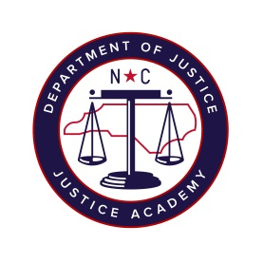
List of NCJAW Authorized Firearms Instructor
This is a list of all your agency NCJA Approved Firearms Instructors who will be teaching the below described course

Course/Training Date:
Course Description:
Agency:

Last Name | First Name | Cell No.

If you have any questions or need to verify if one of your Firearms Instructor has been approved as an authorized user of NCJAW Range, please do not hesitate to contact me.

Traci McConnell
North Carolina Justice Academy - Edneyville Campus
828-685-1183 ext. 201
tmcconnell@ncdoj.gov

